Tabelle1
isoSPI 2k Byte EEPROM |  |  |  |  |  |  |  |  |  |  |  |  |  |  |  |  |  | ADBMS6833

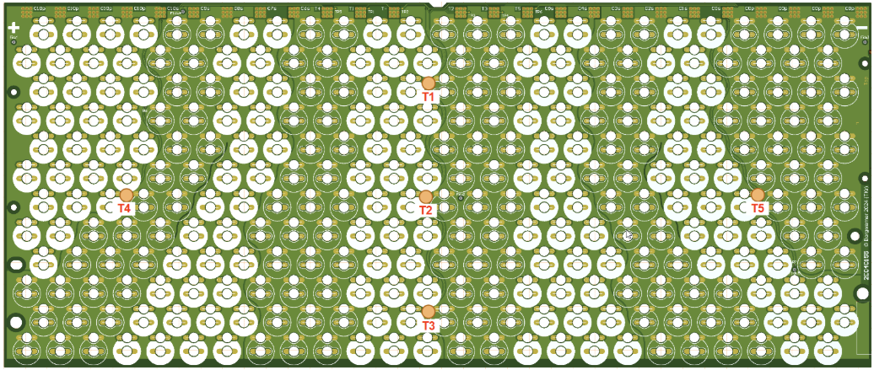
Memory Area | Data Block Type | Size [byte = 8bit] | Offset Address | Offset Address in hex | Total Size in Byte | Description | Data Writing Step | Comment | Values to write | Sample info from PM for Beta | Example Dataset | New Data? | Format | Resources needed |  |  |  | Value | CSC Chip | Physical Pin name
Battery Module ID/config and PCB type | Dataset | 32 | 0 | 0x0000 | 34 | block header info including CRC32 | Module EOL | Block header information is 32 Byte, CRC32 (4 Byte) is part of it | Calc | CRC only takes 4 hex bytes | Use Column Q and R (read left right then top down) for first 24 bytes then 4 byte hex CRC calculated value followed by 4 bytes of 0's. CRC calculated over Dataset Version (address 32,33) |  | Algorythym |  | 0x00000001 | 0x00000000 | Block Index: 1 | cell temperature L1 | CSC AFE0 | GPIO6 | Cell temparature sensor location
 | Block |  |  |  |  |  |  |  |  | What other items are needed What the Format |  |  | Hex (Little Endian) |  | 0x00005555 | 0x00000000 | Block Validity | cell temperature L2 | CSC AFE0 | GPIO7
 | Version 1 |  |  |  |  |  |  |  |  |  |  |  |  |  | 0xFFFFFFFF | 0xFFFFFFFF | Block Status | cell temperature L3 | CSC AFE0 | GPIO8
 |  |  |  |  |  |  |  |  |  |  |  |  |  |  | CRC32 | 0x00000000 | Block CRC | cell temperature L4 | CSC AFE0 | GPIO3
 |  | 2 | 32 | 0x0020 |  | Dataset Version | Module EOL | 0xFFFF / 0x0000 = not dataset | 0x0001 | 1 | 1 |  | Digit by digit |  |  |  |  | cell temperature L5 | CSC AFE0 | GPIO9
 |  |  |  |  |  |  |  |  |  |  |  |  | ASCII |  |  |  |  | cell temperature R1 | CSC AFE1 | GPIO6
 | Dataset | 32 | 34 | 0x0022 | 34 | block header info including CRC32 | Module EOL | Block header information is 32 Byte, CRC32 (4 Byte) is part of it | Calc | CRC only takes 4 hex bytes | Use Column Q and R (read left right then top down) for first 24 bytes then 4 byte hex CRC calculated value followed by 4 bytes of 0's. CRC calculated over Dataset Version (address 32,33) |  | Algorythym |  | 0x00000001 | 0x00000000 | Block Index: 1 | cell temperature R2 | CSC AFE1 | GPIO7
 | Block |  |  |  |  |  |  |  |  | What other items are needed What the Format |  |  | Hex (Little Endian) |  | 0x00005555 | 0x00000000 | Block Validity | cell temperature R3 | CSC AFE1 | GPIO8
 | Version 2 |  |  |  |  |  |  |  |  |  |  |  |  |  | 0xFFFFFFFF | 0xFFFFFFFF | Block Status | cell temperature R4 | CSC AFE1 | GPIO3 | CSC Temperature location
 |  |  |  |  |  |  |  |  |  |  |  |  |  |  | CRC32 | 0x00000000 | Block CRC | cell temperature R5 | CSC AFE1 | GPIO9
 |  | 2 | 66 | 0x0042 |  | Dataset Version | Module EOL | 0xFFFF / 0x0000 = not dataset | 0x0001 | 1 | 1 |  | Digit by digit |  |  |  |  | module negative terminal temperature | CSC AFE0 | GPIO1
 |  |  |  |  |  |  |  |  |  |  |  |  | ASCII |  |  |  |  | module positive terminal temperature | CSC AFE1 | GPIO1
 | Module Production Data Block 1 | 32 | 68 | 0x0044 | 114 | block header info including CRC32 | Module EOL | Block header information is 32 Byte, CRC32 (4 Byte) is part of it | Calc | CRC only takes 4 hex bytes | Use Column Q and R (read left right then top down) for first 24 bytes then 4 byte hex CRC calculated value followed by 4 bytes of 0's. CRC calculated over Data block (address 100 to 181) | Different | Algorythym |  | 0x00000001 | 0x00000000 | Block Index: 1 | module negative split temperature | CSC AFE0 | GPIO2
 |  |  |  |  |  |  |  |  |  | What other items are needed What the Format |  |  | Hex (Little Endian) |  | 0x00005555 | 0x00000000 | Block Validity | module positive split temperature | CSC AFE1 | GPIO2
 |  |  |  |  |  |  |  |  |  |  |  |  |  |  | 0xFFFFFFFF | 0xFFFFFFFF | Block Status | overall module voltage | sum of AFE0 and AFE1
 |  |  |  |  |  |  |  |  |  |  |  |  |  |  | CRC32 | 0x00000000 | Block CRC | cell voltage 1 | CSC AFE0 | C7
 |  | 12 | 100 | 0x0064 |  | Module part number | Module EOL | Currently 12 byte see PAAC-21413 (Production Type, Functional Area, grup Type, Grup Type Part No., Rvision) | see PLM | 61-11-301-009 rev 00 | 611130100900 | Yes | Digit by digit |  |  |  |  | cell voltage 2 | CSC AFE0 | C8
 |  |  |  |  |  |  |  |  |  | Will we include "-" |  |  | ASCII |  |  |  |  | cell voltage 3 | CSC AFE0 | C11
 |  | 21 | 112 | 0x0070 |  | Module serial number | Module EOL | Currently 13 byte see also PAAC-21413 (Yera, Week, Manuf., Serieal No.) | see PLM | 890161-M0400-260210-0115 (ME version) | 890161M04002602100115 | No | Digit by digit |  |  |  |  | cell voltage 4 | CSC AFE0 | C12
 |  |  |  |  |  |  |  |  |  | 260707010000000575 (SW version) |  |  | ASCII |  |  |  |  | cell voltage 5 | CSC AFE0 | C13
 |  | 12 | 133 | 0x0085 |  | Cell part number | Module EOL | Currently 12 byte see PAAC-21413 (Production Type, Functional Area, grup Type, Grup Type Part No., Rvision) | see PLM | 62-30-337-002 rev 00 | 623033700200 | Yes | Digit by digit |  |  |  |  | cell voltage 6 | CSC AFE0 | C14
 |  |  |  |  |  |  |  |  |  |  |  |  | ASCII |  |  |  |  | cell voltage 7 | CSC AFE0 | C15
 |  | 2 | 145 | 0x0091 |  | number of cells in parallel | Module EOL | PAAC-13815 - Number of Cells per Cell Cluster | see PLM | 30 | 1E | No | Hex (Little Endian) |  | These are Hex |  |  | cell voltage 8 | CSC AFE0 | C16
 |  | 2 | 147 | 0x0093 |  | number of cells in series | Module EOL | PAAC-13551 - Number of Cell Clusters per Battery Module | see PLM | 20 | 14 | No | Hex (Little Endian) |  | These are Hex |  |  | cell voltage 9 | CSC AFE0 | C17
 |  | 12 | 149 | 0x0095 |  | PCB part number | Module EOL | Currently 12 byte see PAAC-21413 (Production Type, Functional Area, grup Type, Grup Type Part No., Rvision) | see PLM | 1.00E+291 | 001E00029100 | Yes | Digit by digit |  |  |  |  | cell voltage 10 | CSC AFE0 | C18
 |  |  |  |  |  |  |  |  |  | Will this go to 6X-XX-XXX-XX format |  |  | ASCII |  |  |  |  | cell voltage 11 | CSC AFE1 | C7
 |  | 21 | 161 | 0x00A1 |  | PCB serial number | Module EOL | Currently 13 byte see also PAAC-21413 (Yera, Week, Manuf., Serieal No.) | see PLM | E 26 06 0280-00 0006 00189 | 0E2606028000000600189 | Yes | Digit by digit |  |  |  |  | cell voltage 12 | CSC AFE1 | C8
 |  |  |  |  |  |  |  |  |  |  |  |  | ASCII |  |  |  |  | cell voltage 13 | CSC AFE1 | C11
 |  | 64 | 182 | 0x00B6 | 64 | Reserved |  |  |  |  |  |  |  |  |  |  |  | cell voltage 14 | CSC AFE1 | C12
 | Module Production Data Block 2 | 32 | 246 | 0x00F6 | 96 | block header info including CRC32 | Module EOL | Block header information is 32 Byte, CRC32 (4 Byte) is part of it | Calc |  | CRC only takes 4 hex bytes | Different | Algorythym | Chris K. | 0x00000001 | 0x00000000 | Block Index: 1 | cell voltage 15 | CSC AFE1 | C13
 |  |  |  |  |  |  |  |  |  |  | What other items are needed What the Format |  | Hex (Little Endian) |  | 0x00005555 | 0x00000000 | Block Validity | cell voltage 16 | CSC AFE1 | C14
 |  |  |  |  |  |  |  |  |  |  |  |  |  |  | 0xFFFFFFFF | 0xFFFFFFFF | Block Status | cell voltage 17 | CSC AFE1 | C15
 |  |  |  |  |  |  |  |  |  |  |  |  |  |  | CRC32 | 0x00000000 | Block CRC | cell voltage 18 | CSC AFE1 | C16
 |  | 12 | 278 | 0x0116 |  | Module part number | Module EOL | Currently 12 byte see PAAC-21413 (Production Type, Functional Area, grup Type, Grup Type Part No., Rvision) | see PLM | 61-11-301-009 | 611130100900 | Yes | Digit by digit |  |  |  |  | cell voltage 19 | CSC AFE1 | C17
 |  |  |  |  |  |  |  |  |  | Will we include "-" |  |  | ASCII |  |  |  |  | cell voltage 20 | CSC AFE1 | C18
 |  | 13 | 290 | 0x0122 |  | Module serial number | Module EOL | Currently 13 byte see also PAAC-21413 (Yera, Week, Manuf., Serieal No.) | see PLM | 890161-M0400-260210-0115 (ME version) | 890161M04002602100115 | No | Digit by digit |  |  |  |  | CSC EEPROM I2C-SDA | CSC AFE0 | GPIO 4
 |  |  |  |  |  |  |  |  |  | 260707010000000575 (SW version) |  |  | ASCII |  |  |  |  | CSC EEPROM I2C-SCL | CSC AFE0 | GPIO 5
 |  | 12 | 303 | 0x012F |  | Cell part number | Module EOL | Currently 12 byte see PAAC-21413 (Production Type, Functional Area, grup Type, Grup Type Part No., Rvision) | see PLM | 62-30-337-002 | 623033700200 | Yes | Digit by digit |  |  |  |  | CSC stack voltage | AFE 0 & AFE1
 |  |  |  |  |  |  |  |  |  |  |  |  | ASCII
 |  | 1 | 315 | 0x013B |  | number of cells in parallel | Module EOL | PAAC-13815 - Number of Cells per Cell Cluster | see PLM | 30 | 1E | No | Hex (Little Endian)
 |  | 1 | 316 | 0x013C |  | number of cells in series | Module EOL | PAAC-13551 - Number of Cell Clusters per Battery Module | see PLM | 20 | 14 | No | Hex (Little Endian)
 |  | 12 | 317 | 0x013D |  | PCB part number | Module EOL | Currently 12 byte see PAAC-21413 (Production Type, Functional Area, grup Type, Grup Type Part No., Rvision) | see PLM | 1.00E+291 | 001E00029100 | Yes | Digit by digit
 |  |  |  |  |  |  |  |  |  | Will this go to 6X-XX-XXX-XX format |  |  | ASCII
 |  | 13 | 329 | 0x0149 |  | PCB serial number | Module EOL | Currently 13 byte see also PAAC-21413 (Yera, Week, Manuf., Serieal No.) | see PLM | E 26 06 0280-00 0006 00189 | 0E2606028000000600189 | Yes | Digit by digit
 |  |  |  |  |  |  |  |  |  |  |  |  | ASCII
 |  | 64 | 342 | 0x0156 | 64 | Reserved
Applikation Data | Module Aplication Data Bock | 1642 | 406 | 0x0196 | 1642 | Pack part number / Cyclic Bettery Data | Pack EOL / Triggert over BMU state machine |  |  | 61-11-300-026 rev 00 | 611130002600 |  | Digit by digit
 |  |  |  |  |  |  |  |  |  |  |  |  | ASCII

